Sheet1

Activity 12 Sarah Desmarais
TEEN U.S.A.
1 Boardwalk
Atlantic City, NJ 08400

HOURLY WORKERS' PAYROLL REGISTER
Pay date: Friday, February 25, 2011

EMPLOYEE | LAST | FIRST | HOURS | HOURLY | GROSS | FEDERAL | SOCIAL | MEDICARE | STATE |  | NET
NUMBER | NAME | NAME | WORKED | RATE | PAY | TAX | SEC. TAX | TAX | TAX | PENSION | PAY

457894 | Andrews | Sandra | 32 | $13.50 | $432.00 | $64.80 | $26.78 | $6.26 | $17.28 | $12.96 | $303.91
219632 | Corety | Isabella | 40 | $12.50 | $500.00 | $75.00 | $31.00 | $7.25 | $20.00 | $15.00 | $351.75
112554 | McLaughlin | Emma | 37 | $12.50 | $462.50 | $69.38 | $28.68 | $6.71 | $18.50 | $13.88 | $325.37
697777 | Peterson | Trista | 27 | $12.50 | $337.50 | $50.63 | $20.93 | $4.89 | $13.50 | $10.13 | $237.43
687444 | Buckley | David | 36 | $12.00 | $432.00 | $64.80 | $26.78 | $6.26 | $17.28 | $12.96 | $303.91
548993 | Hadley | Jimarcus | 30 | $12.00 | $360.00 | $54.00 | $22.32 | $5.22 | $14.40 | $10.80 | $253.26
114589 | Narciso | Elizabeth | 36 | $12.00 | $432.00 | $64.80 | $26.78 | $6.26 | $17.28 | $12.96 | $303.91
468231 | Reese | Robert | 30 | $12.00 | $360.00 | $54.00 | $22.32 | $5.22 | $14.40 | $10.80 | $253.26
487895 | Toscano | Timothy | 28 | $12.00 | $336.00 | $50.40 | $20.83 | $4.87 | $13.44 | $10.08 | $236.38
488522 | Bruzzi | Madison | 25 | $11.50 | $287.50 | $43.13 | $17.83 | $4.17 | $11.50 | $8.63 | $202.26
556698 | Nathan | Robert | 34 | $11.50 | $391.00 | $58.65 | $24.24 | $5.67 | $15.64 | $11.73 | $275.07
254687 | Ngeth | Champei | 31 | $11.50 | $356.50 | $53.48 | $22.10 | $5.17 | $14.26 | $10.70 | $250.80
647895 | Bukowski | Ted | 39 | $11.25 | $438.75 | $65.81 | $27.20 | $6.36 | $17.55 | $13.16 | $308.66
336654 | Cage | Latoiya | 32 | $11.25 | $360.00 | $54.00 | $22.32 | $5.22 | $14.40 | $10.80 | $253.26
226985 | Paparo | Jacob | 33 | $11.25 | $371.25 | $55.69 | $23.02 | $5.38 | $14.85 | $11.14 | $261.17
548855 | Sheehan | Shannon | 25 | $10.75 | $268.75 | $40.31 | $16.66 | $3.90 | $10.75 | $8.06 | $189.07
145874 | Shurtleff | Noah | 23 | $10.50 | $241.50 | $36.23 | $14.97 | $3.50 | $9.66 | $7.25 | $169.90
414789 | Fannin | Chloe | 35 | $10.25 | $358.75 | $53.81 | $22.24 | $5.20 | $14.35 | $10.76 | $252.38
211235 | Falkoner | Ethan | 27 | $10.00 | $270.00 | $40.50 | $16.74 | $3.91 | $10.80 | $8.10 | $189.95
357951 | Schofield | Steven | 33 | $10.00 | $330.00 | $49.50 | $20.46 | $4.78 | $13.20 | $9.90 | $232.15
Totals: |  |  |  |  | $7,326.00 | $1,098.90 | $454.21 | $106.23 | $293.04 | $219.78 | $5,153.84

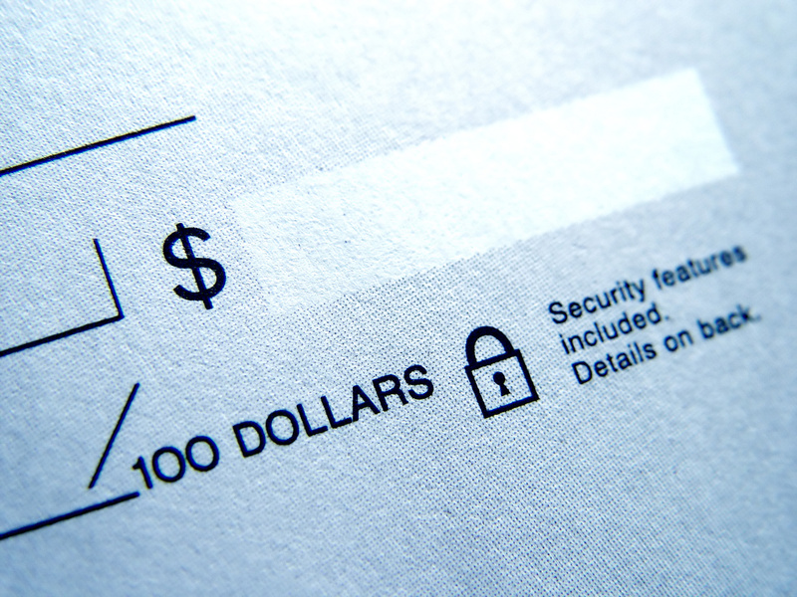
1. Sandra Andrews
2. Steven Schofield and Ethan Falkoner
3. $7,326.00
4. $5,153.84

